Enable Macros
Introduction to the schools resource management self-assessment tool

The school resource management self-assessment tool helps to provide trusts with assurance that they are meeting the basic standards necessary to achieve a good level of financial health and resource management. The tool can be used to identify possible areas for change to ensure that resources are being used to support high-quality teaching and the best education outcomes for pupils. The tool is in two parts:
1. A checklist, which asks a number of questions of trust boards in six areas of resource management to provide assurance that the trust is managing its resources effectively. This should be completed at trust level.
2. A dashboard, which shows how a school's data compares to thresholds on a range of statistics that have been identified as indicators for good resource management and outcomes. This should be completed at school level.
Completion of the self-assessment tool is compulsory for all academy trusts. This document includes pre-populated dashboard(s) for the school(s) in your trust to support the completion and analysis of the tool.

To ensure that the workbook functions as anticipated, Macros must be enabled

 | Step by step guide to enabling macros:
 | 1) Click the enable content button appearing in the banner below the ribbon 2) Macros should now be enabled, the user can click here to access all features of the file. Should this not work, please follow the steps below in order to enable Macros:
 | 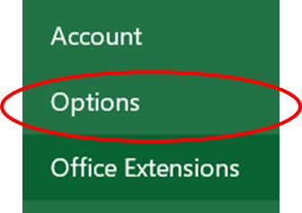 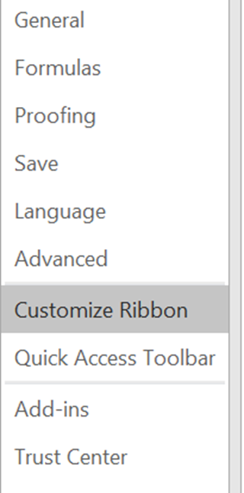 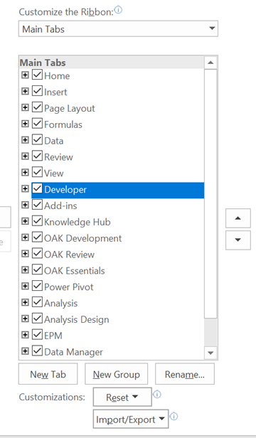 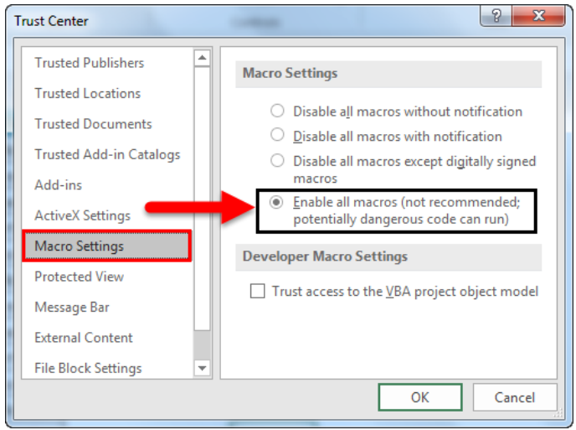 1) The User will need to add the developer tab to their ribbon: a. The user should click the file button b. The user should then navigate to the ‘Options’ section c. The user should then click the ‘Customise ribbon’ section d. The user should select and add the ‘developer’ section to their ribbon 2) The user will need to navigate to the developer section of the ribbon 3) The user should then click ‘Macro Security’ 4) The user should then click ‘Enable all Macros’ 5) Macros should now be enabled, the user can click here to access all features of the file.

